Segment Map
Segment map: Staples strength vs market attractiveness
Picture = snapshot at default inputs (labelled). The Excel chart further down is live: it moves when you edit inputs or cut-offs.

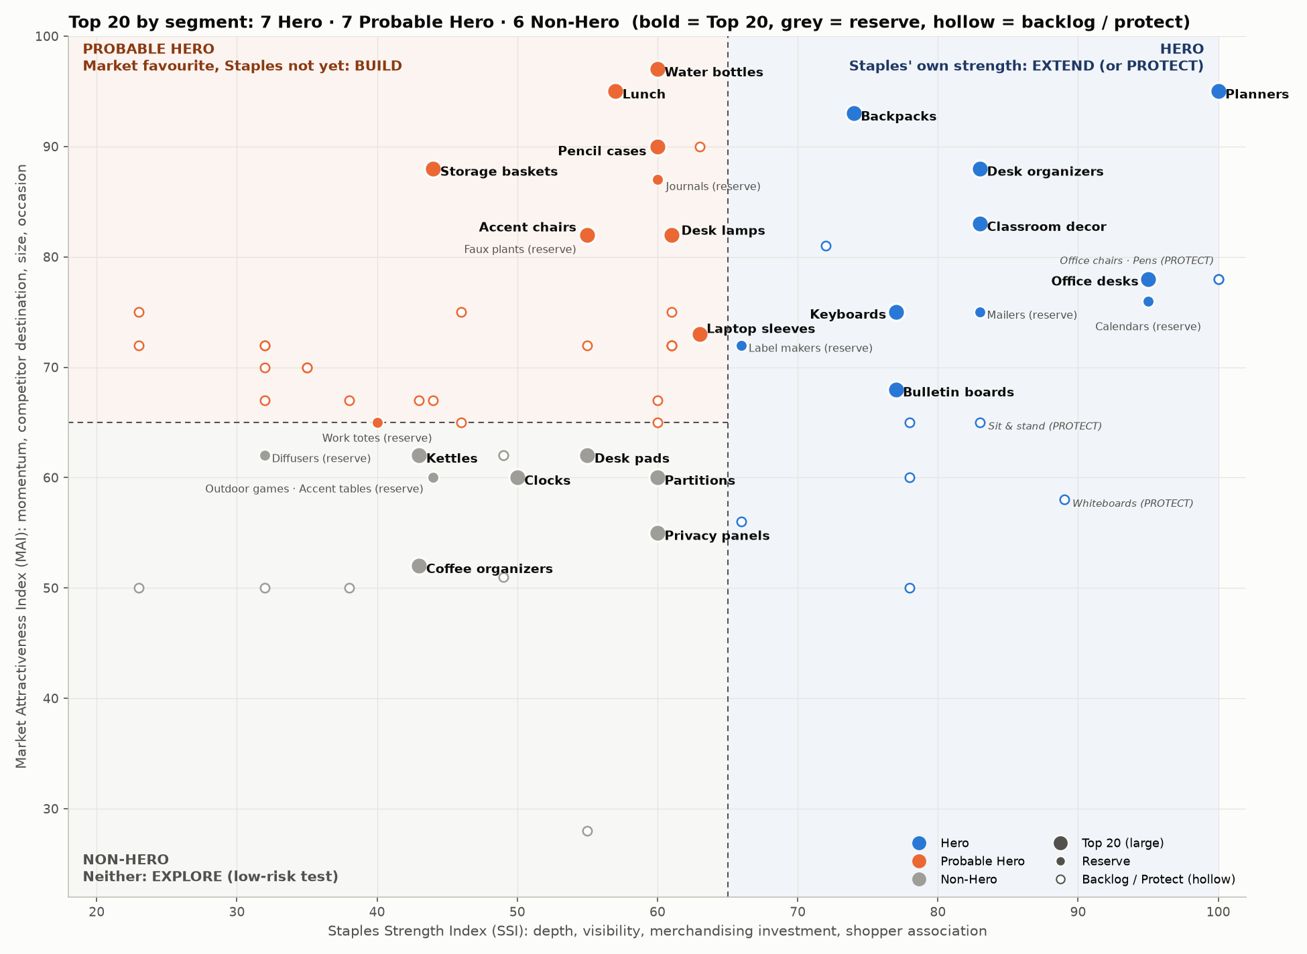

 | How to read it: right of the dashed line = Hero (Staples is already strong); top-left = Probable Hero (the market loves it, Staples is not yet a destination); bottom-left = Non-Hero.
 | Plays: Hero = EXTEND (style extensions only) or PROTECT (keep the marketplace out, e.g. Office Chairs, Pens); Probable Hero = BUILD (fill the gap with sellers); Non-Hero = EXPLORE (low-risk test, sellers hold the stock).
 | The Top 20 takes the best 7 Hero, 7 Probable Hero and 6 Non-Hero shelves by path score, so every segment is represented.

Live segment map (updates with inputs)
 | Hero |  | Probable Hero |  | Non-Hero
100 | 95 | #N/A | #N/A | #N/A | #N/A
83 | 88 | #N/A | #N/A | #N/A | #N/A
#N/A | #N/A | 60 | 97 | #N/A | #N/A
#N/A | #N/A | 55 | 82 | #N/A | #N/A
#N/A | #N/A | 61 | 82 | #N/A | #N/A
#N/A | #N/A | 60 | 90 | #N/A | #N/A
74 | 93 | #N/A | #N/A | #N/A | #N/A
#N/A | #N/A | 57 | 95 | #N/A | #N/A
83 | 83 | #N/A | #N/A | #N/A | #N/A
#N/A | #N/A | 44 | 88 | #N/A | #N/A
#N/A | #N/A | 63 | 73 | #N/A | #N/A
#N/A | #N/A | 40 | 65 | #N/A | #N/A
95 | 78 | #N/A | #N/A | #N/A | #N/A
#N/A | #N/A | 60 | 87 | #N/A | #N/A
#N/A | #N/A | 55 | 82 | #N/A | #N/A
#N/A | #N/A | 32 | 72 | #N/A | #N/A
#N/A | #N/A | 35 | 70 | #N/A | #N/A
#N/A | #N/A | 61 | 72 | #N/A | #N/A
77 | 68 | #N/A | #N/A | #N/A | #N/A
#N/A | #N/A | #N/A | #N/A | 50 | 60
#N/A | #N/A | 61 | 75 | #N/A | #N/A
#N/A | #N/A | 46 | 65 | #N/A | #N/A
#N/A | #N/A | #N/A | #N/A | 55 | 62
#N/A | #N/A | 61 | 72 | #N/A | #N/A
#N/A | #N/A | 43 | 67 | #N/A | #N/A
#N/A | #N/A | 44 | 67 | #N/A | #N/A
77 | 75 | #N/A | #N/A | #N/A | #N/A
#N/A | #N/A | 55 | 72 | #N/A | #N/A
95 | 76 | #N/A | #N/A | #N/A | #N/A
#N/A | #N/A | 61 | 72 | #N/A | #N/A
#N/A | #N/A | 38 | 67 | #N/A | #N/A
66 | 72 | #N/A | #N/A | #N/A | #N/A
83 | 75 | #N/A | #N/A | #N/A | #N/A
72 | 81 | #N/A | #N/A | #N/A | #N/A
#N/A | #N/A | 60 | 65 | #N/A | #N/A
#N/A | #N/A | #N/A | #N/A | 43 | 52
#N/A | #N/A | 32 | 72 | #N/A | #N/A
#N/A | #N/A | 32 | 67 | #N/A | #N/A
#N/A | #N/A | #N/A | #N/A | 60 | 55
100 | 78 | #N/A | #N/A | #N/A | #N/A
#N/A | #N/A | 63 | 90 | #N/A | #N/A
#N/A | #N/A | 32 | 70 | #N/A | #N/A
78 | 65 | #N/A | #N/A | #N/A | #N/A
#N/A | #N/A | #N/A | #N/A | 60 | 60
78 | 60 | #N/A | #N/A | #N/A | #N/A
66 | 56 | #N/A | #N/A | #N/A | #N/A
#N/A | #N/A | 23 | 75 | #N/A | #N/A
#N/A | #N/A | #N/A | #N/A | 43 | 62
#N/A | #N/A | #N/A | #N/A | 32 | 62
83 | 65 | #N/A | #N/A | #N/A | #N/A
...

